Sheet1
INSERT 2009 Leadfoot Rally Logo With Dates Here
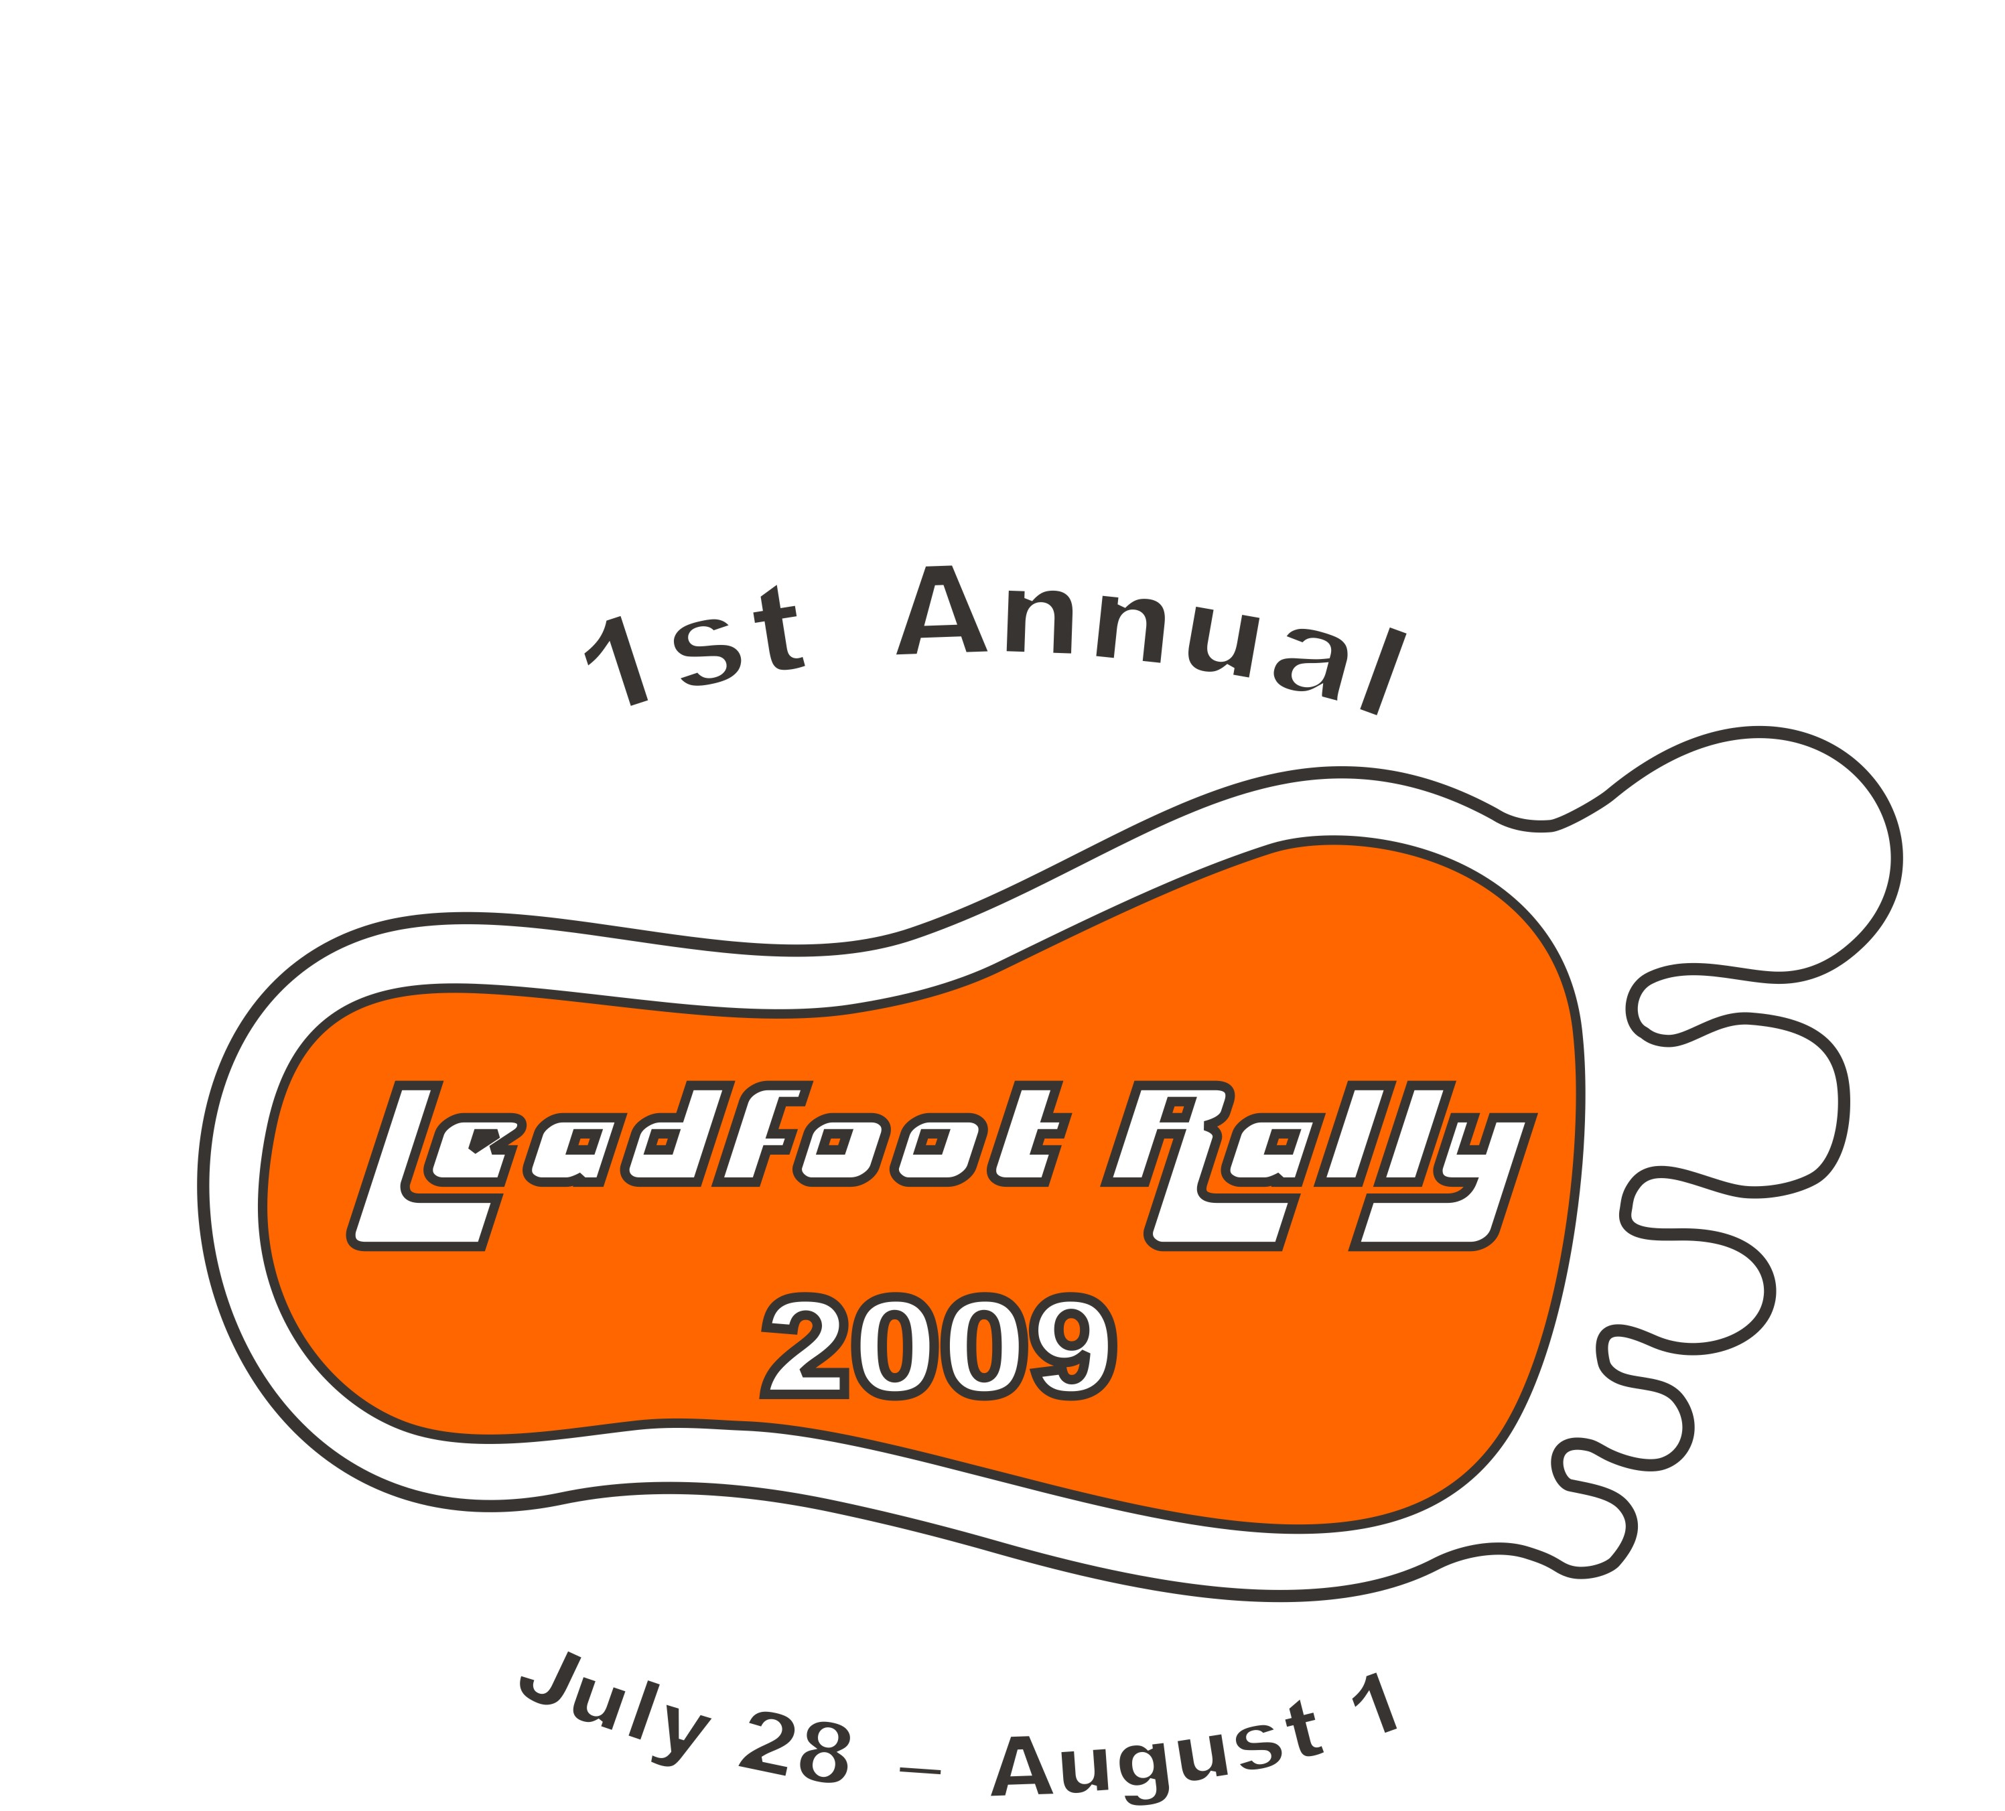
2009 Leadfoot Rally Championship
Final |  |  |  |  | Drag | Percision | Percision | Circle | Road | Rally | Clunkerball | Performance | Total
Rank | Car # | Car | Driver(s) | Team | Race | Race 1 | Race 2 | Track | Race | Cross | Run | Points | Points
1 | 171 | 1990 Acura Integra (Midnight Train) | Brad "The Shoe" Ames | Import Auto Specailist Racing | 9 | 15 | 14 | 15 | 15 | 12 | 20 | 20 | 120
2 | 6 | 1991 Ford Escort Gt (The Sleeper) | "Quick Time" Tim Hardy, Don Hardy | Hardy Racing | 13 | 11 | 11 | 12 | 12 | 15 | 20 | 12 | 106
3 | 48 | 1991 Nissan 240SX | Jarred Burnard | Burnard Motorsports | 15 | 12 | 15 | 8 | 10 | 14 | 20 | 12 | 106
4 | 88 | 1987 Saab 900 Turbo 2.0 (Saab Story) | Shane "Stubs" Wold | Mountain Man Racing | 2 | 14 | 13 | 11 | 13 | 9 | 20 | 9 | 91
5 | 61 | 1988 Honda CRX (The Crapper) | Bret "The Godfather" Hunter | Sports Optical Racing | 12 | 13 | 9 | 0 | 8 | 8 | 20 | 21 | 91
6 | 21 | 1989 Ponitac Trans Am GTA (Red Draggon) | TA Ted Atencio | Atencio Racing Enterprises | 10 | 9 | 6 | 10 | 9 | 5 | 6 | 11 | 66
7 | 77 | 1986 Chevy Camaro (The CamarNO) | Chuck Stovall Jr. | Wheelman Productions Racing | 2 | 7 | 12 | 13 | 11 | 6 | 6 | 9 | 66
8 | 76 | 1976 Chevy Camaro | Charles Jasper III, Charles "Jr" Jasper IV | Sanford & Son Racing | 2 | 2 | 5 | 9 | 2 | 13 | 20 | 12 | 65
9 | 5 | 1980 Maxda RX-7 (The LeMon) | "Asphalt" Allen Stewart, "Fly'n" Jeffery Field | Ghetto Motorsports | 11 | 10 | 0 | 14 | 14 | 10 | 0 | 6 | 65
10 | 3 | 1995 Buick La Sabre | Ken "Famous Race Guy" Gasbarri, Kurt "2 Wheels" Weyand | 2 Guys Racing | 11 | 3 | 7 | 7 | 7 | 3 | 20 | 6 | 64
11 | 11 | 1995 Pontiac Grand Prix (Grand Piece of Sh*t) | Michael "Bosco" Bertram | Bosco Racing | 12 | 4 | 0 | 6 | 4 | 7 | 20 | 8 | 61
12 | 007 | 1979 MGB (Bondo, James Bondo) | Corey "Signguy" Simmons | Sign Planet Autosports | 2 | 6 | 10 | 4 | 6 | 4 | 20 | 6 | 58
13 | 13 | 1984 Nissan 300zx Turbo (Bonzi Bomber) | Sergeant Keith Deutsch | Wounded Warrior Sports | 2 | 8 | 0 | 5 | 5 | 11 | 12 | 8 | 51
14 | 15 | 1993 Buick La Sabre | Shannon "Red" Gasbarri, "Dynomite" Danielle Lewis | Speed Chicks Racing | 14 | 1 | 8 | 3 | 3 | 2 | 6 | 11 | 48
15 | 9 | 1973 Plymouth Duster | Chris Andrews, Bryan Andrews | Andrews Brothers Racing | 2 | 5 | 0 | 2 | 0 | 0 | 0 | 3 | 12

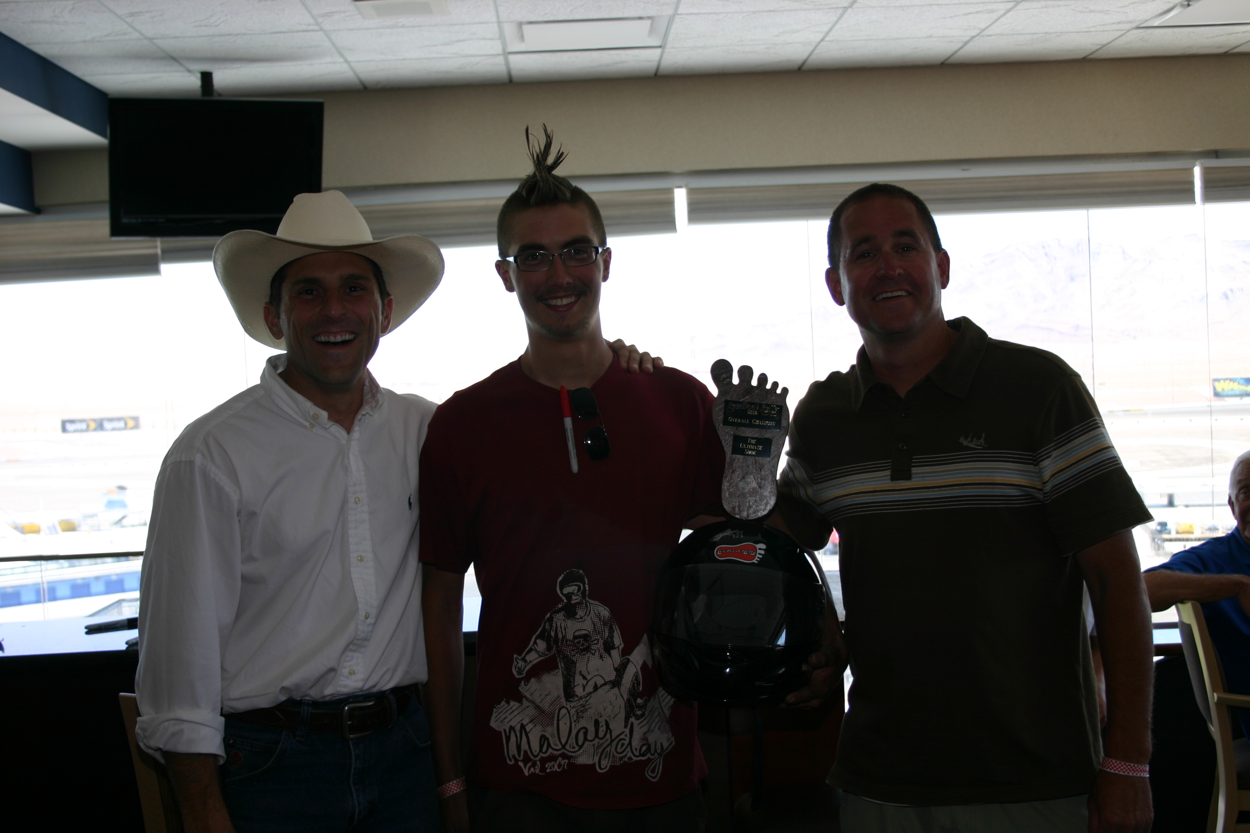
2009 Leadfoot Rally Ultimate Shoe, Brad Ames
Insert Brad Ames and Directors Photo Here

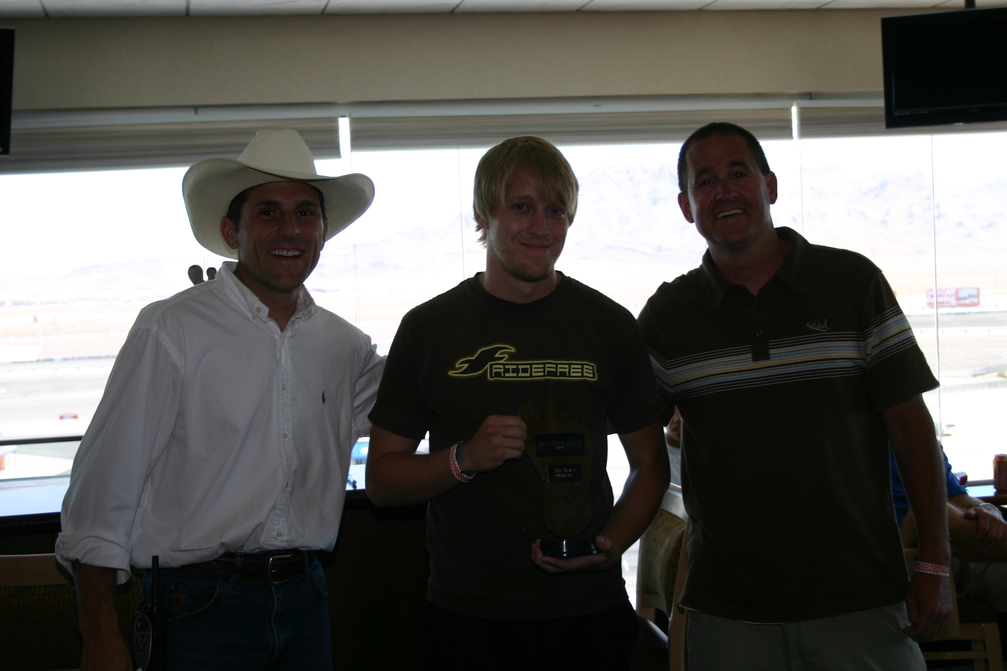
2009 Leadfoot Rally 2nd Place, Tim Hardy
Insert Tim Hardy and Directors Photo Here

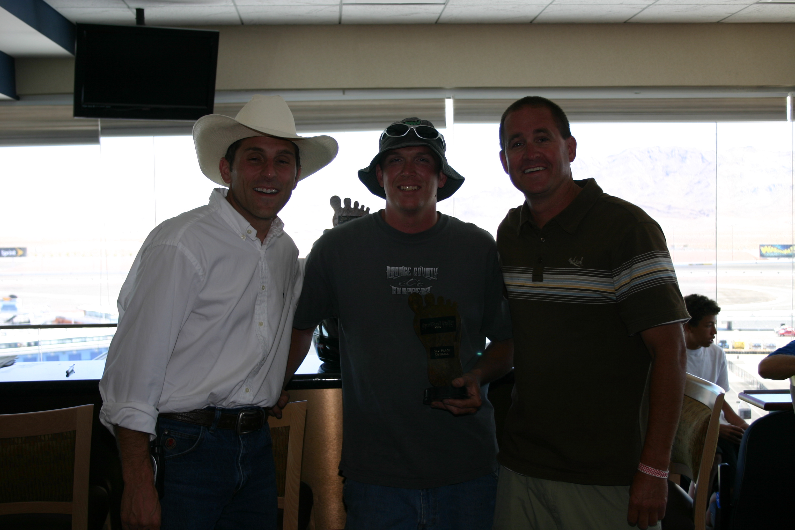
2009 Leadfoot Rally 3rd Place, Jarred Burnard
Insert Jarred Burnard and Directors Photo Here

2009 Leadfoot Rally Drag Race
Finishing |  |  |  |  | Total
Position | Car # | Car | Driver | Team | Points | Performance Points
1 | 48 | 1991 Nissan 240SX | Jarred Burnard | Burnard Motorsports | 15 | 3 | (Win)
2 | 15 | 1993 Buick La Sabre | Danielle Lewis | Speed Chicks Racing | 14
3 | 6 | 1991 Ford Escort Gt (The Sleeper) | Tim Hardy | Hardy Racing | 13
4 | 61 | 1988 Honda CRX (The Crapper) | Bret Hunter | Sports Optical Racing | 12 | 5 | (Best Reaction Time)
4 | 11 | 1995 Pontiac Grand Prix (Grand Piece of Sh*t) | Michael Bertram | Bosco Racing | 12
5 | 5 | 1980 Maxda RX-7 (The LeMon) | Allen Stewart | Ghetto Motorsports | 11
5 | 3 | 1995 Buick La Sabre | Ken Gasbarri | 2 Guys Racing | 11
6 | 21 | 1989 Ponitac Trans Am GTA (Red Draggon) | Ted Atencio | Atencio Racing Enterprises | 10
7 | 171 | 1990 Acura Integra (Midnight Train) | Brad Ames | Import Auto Specailist Racing | 9
8 | 88 | 1987 Saab 900 Turbo 2.0 (Saab Story) | Shane Wold | Mountain Man Racing | 2
8 | 77 | 1986 Chevy Camaro (The CamarNO) | Chuck Stovall Jr. | Wheelman Productions Racing | 2
8 | 76 | 1976 Chevy Camaro | Charles Jasper III | Sanford & Son Racing | 2
8 | 007 | 1979 MGB (Bondo, James Bondo) | Corey Simmons | Sign Planet Autosports | 2
8 | 13 | 1984 Nissan 300zx Turbo (Bonzi Bomber) | Keith Deutsch | Wounded Warrior Sports | 2
8 | 9 | 1973 Plymouth Duster | Chris Andrews | Andrews Brothers Racing | 2

2009 Leadfoot Rally Percision Race 1 (Slalom Course)
Finishing |  |  |  |  | Total
Position | Car # | Car | Driver | Team | Points | Performance Points
1 | 171 | 1990 Acura Integra (Midnight Train) | Brad Ames | Import Auto Specailist Racing | 15 | 6 | (No Hit Cones & Win)
2 | 88 | 1987 Saab 900 Turbo 2.0 (Saab Story) | Shane Wold | Mountain Man Racing | 14 | 3 | (No Hit Cones)
3 | 61 | 1988 Honda CRX (The Crapper) | Bret Hunter | Sports Optical Racing | 13 | 3 | (No Hit Cones)
4 | 48 | 1991 Nissan 240SX | Jarred Burnard | Burnard Motorsports | 12 | 3 | (No Hit Cones)
5 | 6 | 1991 Ford Escort Gt (The Sleeper) | Tim Hardy | Hardy Racing | 11 | 3 | (No Hit Cones)
6 | 5 | 1980 Maxda RX-7 (The LeMon) | Allen Stewart | Ghetto Motorsports | 10 | 3 | (No Hit Cones)
7 | 21 | 1989 Ponitac Trans Am GTA (Red Draggon) | Ted Atencio | Atencio Racing Enterprises | 9 | 3 | (No Hit Cones)
8 | 13 | 1984 Nissan 300zx Turbo (Bonzi Bomber) | Keith Deutsch | Wounded Warrior Sports | 8 | 3 | (No Hit Cones)
9 | 77 | 1986 Chevy Camaro (The CamarNO) | Chuck Stovall Jr. | Wheelman Productions Events | 7 | 3 | (No Hit Cones)
10 | 007 | 1979 MGB (Bondo, James Bondo) | Corey Simmons | Sign Planet Autosports | 6 | 3 | (No Hit Cones)
11 | 9 | 1973 Plymouth Duster | Chris Andrews | Andrews Brothers Racing | 5 | 3 | (No Hit Cones)
12 | 11 | 1995 Pontiac Grand Prix (Grand Piece of Sh*t) | Michael Bertram | Bosco Racing | 4 | 3 | (No Hit Cones)
13 | 3 | 1995 Buick La Sabre | Kurt Weyand | 2 Guys Racing | 3 | 3 | (No Hit Cones)
14 | 76 | 1976 Chevy Camaro | Charles Jasper III | Sanford & Son Racing | 2 | 3 | (No Hit Cones)
15 | 15 | 1993 Buick La Sabre | Shannon Gasbarri | Speed Chicks Racing | 1 | 3 | (No Hit Cones)

2009 Leadfoot Rally Percision Race 2 (Reverse Course)
Finishing |  |  |  |  | Total
Position | Car # | Car | Driver | Team | Points | Performance Points
1 | 48 | 1991 Nissan 240SX | Jarred Burnard | Burnard Motorsports | 15 | 6 | (Reverse 180 & Win)
2 | 171 | 1990 Acura Integra (Midnight Train) | Brad Ames | Import Auto Specailist Racing | 14 | 3 | (Reverse 180)
3 | 88 | 1987 Saab 900 Turbo 2.0 (Saab Story) | Shane Wold | Mountain Man Racing | 13 | 3 | (Reverse 180)
4 | 77 | 1986 Chevy Camaro (The CamarNO) | Chuck Stovall Jr. | Wheelman Productions Racing | 12 | 3 | (Reverse 180)
5 | 6 | 1991 Ford Escort Gt (The Sleeper) | Don Hardy | Hardy Racing | 11 | 3 | (Reverse 180)
6 | 007 | 1979 MGB (Bondo, James Bondo) | Corey Simmons | Sign Planet Autosports | 10 | 3 | (Reverse 180)
7 | 61 | 1988 Honda CRX (The Crapper) | Bret Hunter | Sports Optical Racing | 9 | 3 | (Reverse 180)
8 | 15 | 1993 Buick La Sabre | Danielle Lewis | Speed Chicks Racing | 8 | 3 | (Reverse 180)
9 | 3 | 1995 Buick La Sabre | Kurt Weyand | 2 Guys Racing | 7 | 3 | (Reverse 180)
10 | 21 | 1989 Ponitac Trans Am GTA (Red Draggon) | Ted Atencio | Atencio Racing Enterprises | 6 | 3 | (Reverse 180)
11 | 76 | 1976 Chevy Camaro | Charles Jasper IV | Sanford & Son Racing | 5 | 3 | (Reverse 180)
12 | 5 | 1980 Maxda RX-7 (The LeMon) | NA | Ghetto Motorsports | 0
13 | 11 | 1995 Pontiac Grand Prix (Grand Piece of Sh*t) | NA | Bosco Racing | 0
14 | 13 | 1984 Nissan 300zx Turbo (Bonzi Bomber) | NA | Wounded Warrior Sports | 0
15 | 9 | 1973 Plymouth Duster | NA | Andrews Brothers Racing | 0

2009 Leadfoot Rally Asphalt Circle Track Race
Finishing |  |  |  |  | Total
Position | Car # | Car | Driver | Team | Points | Performance Points
1 | 171 | 1990 Acura Integra (Midnight Train) | Brad Ames | Import Auto Specailist Racing | 15 | 8 | (Pole Position & Win)
2 | 5 | 1980 Maxda RX-7 (The LeMon) | Allen Stewart | Ghetto Motorsports | 14 | 3 | (Fast Qualifier)
3 | 77 | 1986 Chevy Camaro (The CamarNO) | Chuck Stovall Jr. | Wheelman Productions Racing | 13 | 3 | (Fast Qualifier)
4 | 6 | 1991 Ford Escort Gt (The Sleeper) | Don Hardy | Hardy Racing | 12 | 3 | (Fast Qualifier)
5 | 88 | 1987 Saab 900 Turbo 2.0 (Saab Story) | Shane Wold | Mountain Man Racing | 11 | 3 | (Fast Qualifier)
6 | 21 | 1989 Ponitac Trans Am GTA (Red Draggon) | Ted Atencio | Atencio Racing Enterprises | 10
7 | 76 | 1976 Chevy Camaro | Charles Jasper III | Sanford & Son Racing | 9 | 3 | (Fast Qualifier)
8 | 48 | 1991 Nissan 240SX | Jarred Burnard | Burnard Motorsports | 8
9 | 3 | 1995 Buick La Sabre | Kurt Weyand | 2 Guys Racing | 7
10 | 11 | 1995 Pontiac Grand Prix (Grand Piece of Sh*t) | Michael Bertram | Bosco Racing | 6
11 | 13 | 1984 Nissan 300zx Turbo (Bonzi Bomber) | Keith Deutsch | Wounded Warrior Sports | 5
12 | 007 | 1979 MGB (Bondo, James Bondo) | Corey Simmons | Sign Planet Autosports | 4
13 | 15 | 1993 Buick La Sabre | Danielle Lewis | Speed Chicks Racing | 3
14 | 9 | 1973 Plymouth Duster | Bryan Andrews | Andrews Brothers Racing | 2
15 | 61 | 1988 Honda CRX (The Crapper) | NA | Sports Optical Racing | 0

2009 Leadfoot Rally Road Race
Finishing |  |  |  |  | Total
Position | Car # | Car | Driver | Team | Points | Performance Points
1 | 171 | 1990 Acura Integra (Midnight Train) | Brad Ames | Import Auto Specailist Racing | 15 | 3 | (Win)
2 | 5 | 1980 Maxda RX-7 (The LeMon) | Jeff Field | Ghetto Motorsports | 14
3 | 88 | 1987 Saab 900 Turbo 2.0 (Saab Story) | Shane Wold | Mountain Man Racing | 13
4 | 6 | 1991 Ford Escort Gt (The Sleeper) | Tim Hardy | Hardy Racing | 12
...

